Data
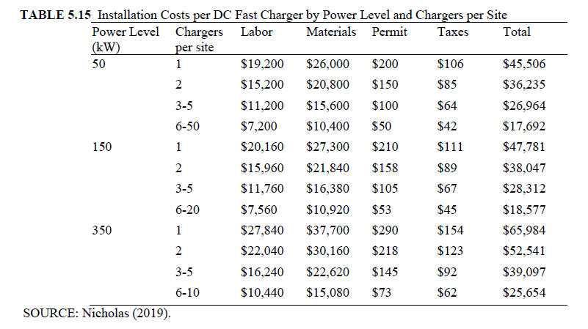
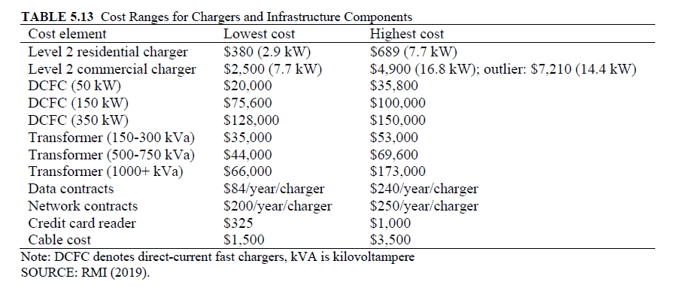
Capital Costs
EVSE Type | Low Est. | High Est.
Level 2 commercial | 2500 | 4900
Average DCFC | 74533 | 95267

Installation Costs
EVSE Type | Avg. installation cost
Average Level 2 | 3192
Average DCFC (150 kW taken as representative) | 33179

Chargers by Type
EVSE Type | Number of chargers | Percent
Level 2 | 57940 | 84.2%
DCFC | 10860 | 15.8%

Weighted Average Costs
Capital | 16517
Installation | 7926
Total | 24443

